Sheet1
Month | Beginning Inventory | Unit received | Demand | Supply | Ending Inventory | Inventory Position | Order | Lost to competitor | Mean | 350 | Unmet Demand | Lost
1 | 400 | 0 | 0 | 0 | 400 | 400 | 0 | 0 | Standard Deviation | 75
2 | 400 | 0 | 0 | 0 | 400 | 400 | 0 | 0 | Purchase Price | 1200 | a) | Average profit | 7943620.48
3 | 400 | 0 | 0 | 0 | 400 | 400 | 0 | 0 | Selling Price | 2300
4 | 400 | 0 | 0 | 0 | 400 | 400 | 0 | 0 | Cost of order | 100
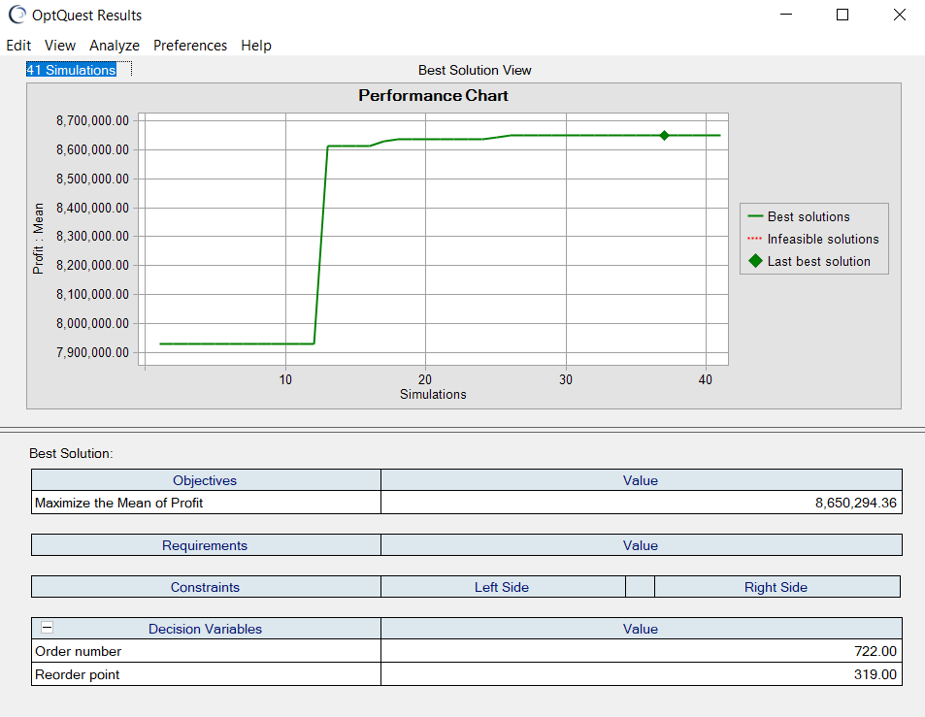
5 | 400 | 0 | 0 | 0 | 400 | 400 | 0 | 0 | Cost of inventory | 12
6 | 400 | 0 | 0 | 0 | 400 | 400 | 0 | 0 | Order number | 1000
7 | 400 | 0 | 0 | 0 | 400 | 400 | 0 | 0 | Reorder point | 100
8 | 400 | 0 | 0 | 0 | 400 | 400 | 0 | 0 | Beginning inventory | 400
9 | 400 | 0 | 0 | 0 | 400 | 400 | 0 | 0
10 | 400 | 0 | 0 | 0 | 400 | 400 | 0 | 0
11 | 400 | 0 | 0 | 0 | 400 | 400 | 0 | 0
12 | 400 | 0 | 0 | 0 | 400 | 400 | 0 | 0 | Purchase Cost | 480000
13 | 400 | 0 | 0 | 0 | 400 | 400 | 0 | 0 | Order Cost | 0
14 | 400 | 0 | 0 | 0 | 400 | 400 | 0 | 0 | Cost of inventory | 115200
15 | 400 | 0 | 0 | 0 | 400 | 400 | 0 | 0 | Selling revenue | 0
16 | 400 | 0 | 0 | 0 | 400 | 400 | 0 | 0 | Loss to competitor | 0
17 | 400 | 0 | 0 | 0 | 400 | 400 | 0 | 0
18 | 400 | 0 | 0 | 0 | 400 | 400 | 0 | 0 | Profit | -595200
19 | 400 | 0 | 0 | 0 | 400 | 400 | 0 | 0 | service life | #DIV/0!
20 | 400 | 0 | 0 | 0 | 400 | 400 | 0 | 0
21 | 400 | 0 | 0 | 0 | 400 | 400 | 0 | 0
22 | 400 | 0 | 0 | 0 | 400 | 400 | 0 | 0
23 | 400 | 0 | 0 | 0 | 400 | 400 | 0 | 0
24 | 400 | 0 | 0 | 0 | 400 | 400 | 0 | 0
 | Total
 | 9600 | 0 | 0 | 0 | 9600 | 9600 | 0 | 0

